Sheet2
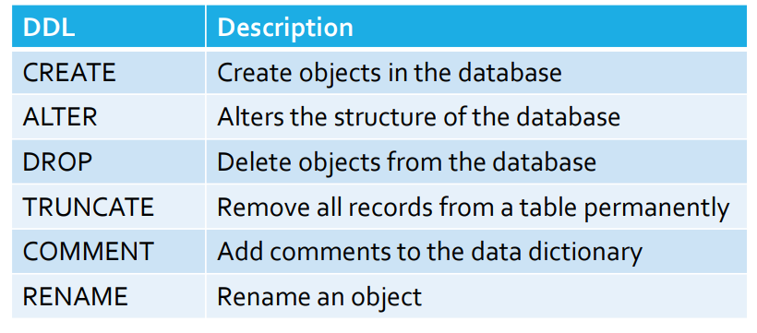
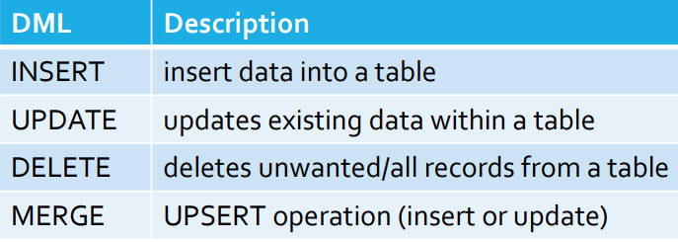
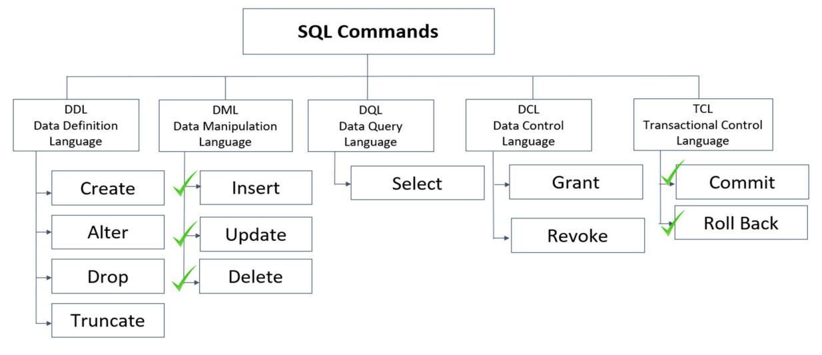

CREATE | --> database, table | INSERT | --> database, table | INSERT INTO table_name
 | CREATE DATABASE db_name; |  |  | VALUES
 |  |  |  | (x,g,y,….)
ALTER | --> change, modify, Add column,drop, add column after |  |  | (x,g,y,….);
 | ALTER TABLE table_name CHANGE COLUMN_NAME col_nam VARCHAR(?); | UPDATE |  | UPDATE table_name
 | ALTER TABLE table_name MODIFY COLUMN_NAME VARCHAR(?); |  |  | SET | col_name=" ", col_name = ?....
 | ALTER TABLE table_name ADD COLUMN col_nam VARCHAR(?)/INT; |  |  | WHERE col_name = val;
 | ALTER TABLE table_name ADD col_nam VARCHAR(?)/INT AFTER COLUMN_NAME;
 | ALTER TABLE table_name DROP COLUMN col_nam; | DELETE |  | DELETE FROM table_name
DROP | --> drop tables and databses completely |  |  | WHERE col_name = val;
 | DROP TABLE employees;
RENAME | rename the table | COMMIT
 | RENAME TABLE employees to employees_info; | ROLLBACK

TRUNCATE | --> to remove table data
 | TRUNCATE TABLE employees_info;

Udemy
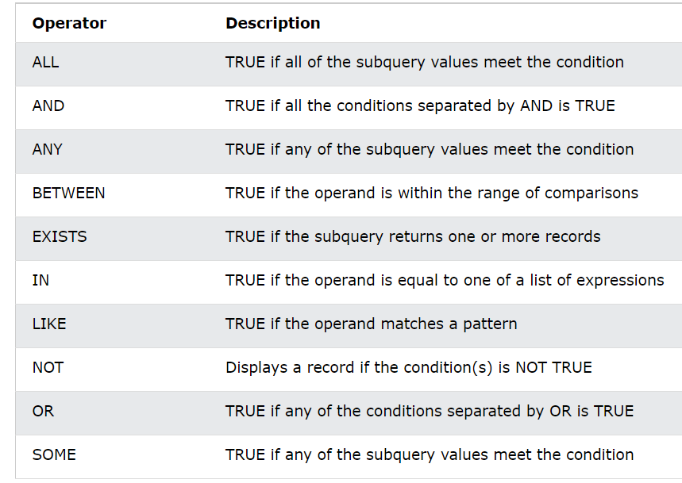
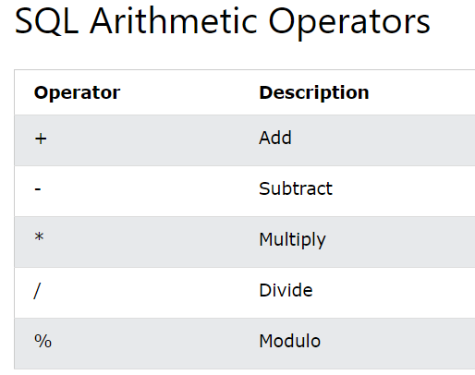
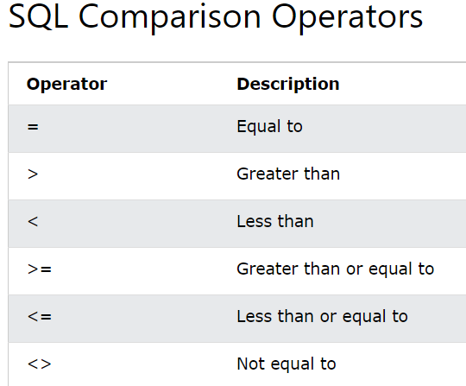
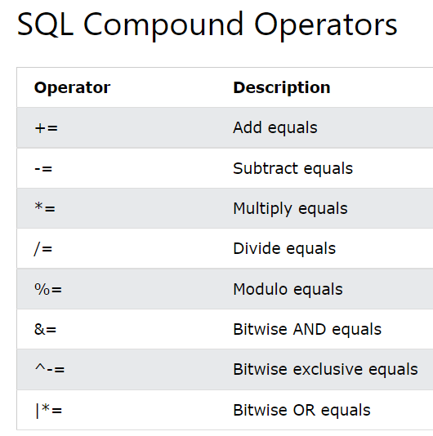
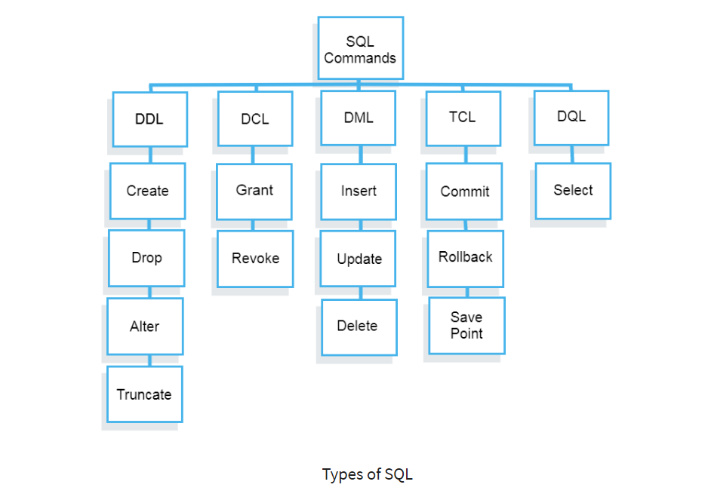

 | SELECT - extracts data from a database
Data Definition Language (DDL) | UPDATE - updates data in a database
Data Manipulation Language (DML) | DELETE - deletes data from a database
Data Control Language(DCL) | INSERT INTO - inserts new data into a database
Transaction Control Language(TCL) | CREATE DATABASE - creates a new database
Data Query Language (DQL) | ALTER DATABASE - modifies a database
 | CREATE TABLE - creates a new table
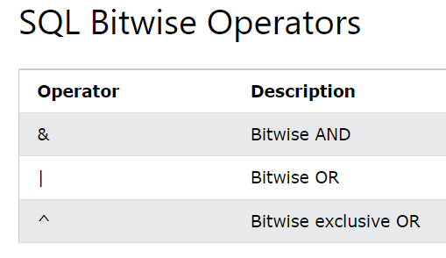
 | ALTER TABLE - modifies a table
 | DROP TABLE - deletes a table
 | CREATE INDEX - creates an index (search key)
 | DROP INDEX - deletes an index

data type
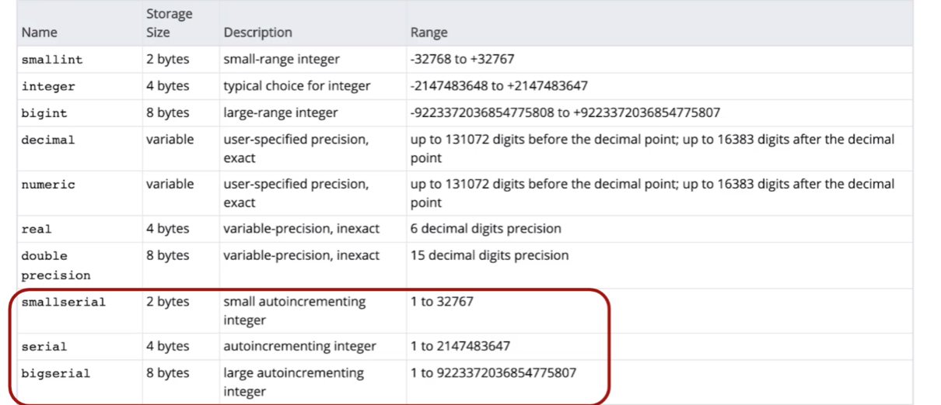
Type | Storage (Bytes) | Minimum Value Signed | Minimum Value Unsigned | Maximum Value Signed | Maximum Value Unsigned
TINYINT | 1 | -128 | 0 | 127 | 255
SMALLINT | 2 | -32768 | 0 | 32767 | 65535
MEDIUMINT | 3 | -8388608 | 0 | 8388607 | 16777215
INT | 4 | -2147483648 | 0 | 2147483647 | 4294967295
BIGINT | 8 | -2^63 | 0 | 2^63-1 | 2^64-1

